PID Simulator
P / I / D contribution over time
 | P term | I term | D term
-10 | 0 | 0 | 0
-9 | 0 | 0 | 0
-8 | 0 | 0 | 0
-7 | 0 | 0 | 0
-6 | 0 | 0 | 0
-5 | 0 | 0 | 0
-4 | 0 | 0 | 0
-3 | 0 | 0 | 0
-2 | 0 | 0 | 0
-1 | 0 | 0 | 0
0 | 9.6068495064 | 0.51887694547 | 0.48180980516
1 | 9.6068495064 | 1.0377538909 | 0
2 | -0.090693832633 | 1.0328554132 | -0.48635834918
3 | -8.8992811557 | 0.55219504476 | -0.44177477112
4 | -7.5548910386 | 0.14414672644 | 0.067424845155
5 | 2.1131518921 | 0.25828048052 | 0.48487882293
6 | 9.5396267143 | 0.77352664599 | 0.37245804514
7 | 6.9347481141 | 1.1480803347 | -0.13064179365
8 | -2.5798884419 | 1.0087376049 | -0.47718507323
9 | -8.6901562591 | 0.53937231171 | -0.30644666022
10 | -5.0763514427 | 0.26519275587 | 0.18124220571
11 | 4.0526466839 | 0.48408084514 | 0.45784425016
12 | 8.8139269658 | 0.96013113598 | 0.23879124196
13 | 4.3232830521 | 1.1936366055 | -0.22521808712
14 | -4.3277921899 | 0.95988759228 | -0.433875109
15 | -7.8394759773 | 0.53646851546 | -0.17612055652
16 | -2.7036036747 | 0.3904437843 | 0.25757805738
17 | 5.3054039333 | 0.67699472751 | 0.40167365926
18 | 7.5939794196 | 1.0871542541 | 0.11477832649
19 | 1.9491299572 | 1.1924289956 | -0.28310465547
20 | -5.3634752891 | 0.90274155192 | -0.36674717415
21 | -6.552095474 | 0.54885537064 | -0.059612556575
22 | -0.60102465522 | 0.5163933406 | 0.29846249489
23 | 5.9131193217 | 0.83576768801 | 0.3267021554
24 | 6.0691370631 | 1.1635687323 | 0.0078247168906
25 | -0.062797878968 | 1.160176947 | -0.30753332586
26 | -5.761993518 | 0.84896507731 | -0.28583026502
27 | -5.0215416664 | 0.57774586027 | 0.03713568763
28 | 1.1233959606 | 0.63842176283 | 0.3081854461
29 | 5.959327524 | 0.96029186818 | 0.24253520811
30 | 4.4140121466 | 1.19869772 | -0.077501797067
31 | -1.6395560468 | 1.11014342 | -0.30360301885
32 | -5.6296760371 | 0.80607816901 | -0.20011544199
33 | -3.4181755239 | 0.6214585938 | 0.11091280556
34 | 2.4140615129 | 0.75184482117 | 0.29250265537
35 | 5.5539417713 | 1.0518195777 | 0.15747359158
36 | 2.7779058494 | 1.2018574544 | -0.13922580194
37 | -2.7552688637 | 1.0530422272 | -0.27750386104
38 | -5.0899255497 | 0.7781295183 | -0.11708942482
39 | -1.8814479163 | 0.67651036134 | 0.16091393775
...
P term only
 | P term
-10 | 0
-9 | 0
-8 | 0
-7 | 0
-6 | 0
-5 | 0
-4 | 0
-3 | 0
-2 | 0
-1 | 0
0 | 9.6068495064
1 | 9.6068495064
2 | -0.090693832633
3 | -8.8992811557
4 | -7.5548910386
5 | 2.1131518921
6 | 9.5396267143
7 | 6.9347481141
8 | -2.5798884419
9 | -8.6901562591
10 | -5.0763514427
11 | 4.0526466839
12 | 8.8139269658
13 | 4.3232830521
14 | -4.3277921899
15 | -7.8394759773
16 | -2.7036036747
17 | 5.3054039333
18 | 7.5939794196
19 | 1.9491299572
20 | -5.3634752891
21 | -6.552095474
22 | -0.60102465522
23 | 5.9131193217
24 | 6.0691370631
25 | -0.062797878968
26 | -5.761993518
27 | -5.0215416664
28 | 1.1233959606
29 | 5.959327524
30 | 4.4140121466
31 | -1.6395560468
32 | -5.6296760371
33 | -3.4181755239
34 | 2.4140615129
35 | 5.5539417713
36 | 2.7779058494
37 | -2.7552688637
38 | -5.0899255497
39 | -1.8814479163
...
I term only
 | I term
-10 | 0
-9 | 0
-8 | 0
-7 | 0
-6 | 0
-5 | 0
-4 | 0
-3 | 0
-2 | 0
-1 | 0
0 | 0.51887694547
1 | 1.0377538909
2 | 1.0328554132
3 | 0.55219504476
4 | 0.14414672644
5 | 0.25828048052
6 | 0.77352664599
7 | 1.1480803347
8 | 1.0087376049
9 | 0.53937231171
10 | 0.26519275587
11 | 0.48408084514
12 | 0.96013113598
13 | 1.1936366055
14 | 0.95988759228
15 | 0.53646851546
16 | 0.3904437843
17 | 0.67699472751
18 | 1.0871542541
19 | 1.1924289956
20 | 0.90274155192
21 | 0.54885537064
22 | 0.5163933406
23 | 0.83576768801
24 | 1.1635687323
25 | 1.160176947
26 | 0.84896507731
27 | 0.57774586027
28 | 0.63842176283
29 | 0.96029186818
30 | 1.19869772
31 | 1.11014342
32 | 0.80607816901
33 | 0.6214585938
34 | 0.75184482117
35 | 1.0518195777
36 | 1.2018574544
37 | 1.0530422272
38 | 0.7781295183
39 | 0.67651036134
...
D term only
 | D term
-10 | 0
-9 | 0
-8 | 0
-7 | 0
-6 | 0
-5 | 0
-4 | 0
-3 | 0
-2 | 0
-1 | 0
0 | 0.48180980516
1 | 0
2 | -0.48635834918
3 | -0.44177477112
4 | 0.067424845155
5 | 0.48487882293
6 | 0.37245804514
7 | -0.13064179365
8 | -0.47718507323
9 | -0.30644666022
10 | 0.18124220571
11 | 0.45784425016
12 | 0.23879124196
13 | -0.22521808712
14 | -0.433875109
15 | -0.17612055652
16 | 0.25757805738
17 | 0.40167365926
18 | 0.11477832649
19 | -0.28310465547
20 | -0.36674717415
21 | -0.059612556575
22 | 0.29846249489
23 | 0.3267021554
24 | 0.0078247168906
25 | -0.30753332586
26 | -0.28583026502
27 | 0.03713568763
28 | 0.3081854461
29 | 0.24253520811
30 | -0.077501797067
31 | -0.30360301885
32 | -0.20011544199
33 | 0.11091280556
34 | 0.29250265537
35 | 0.15747359158
36 | -0.13922580194
37 | -0.27750386104
38 | -0.11708942482
39 | 0.16091393775
...
Ziegler-Nichols Closed Loop Tuning Calculator

 | Process Model |  | PMZN-clas |  | Controller | TPM in | TPM calc | TPZN | TPZN | TPZN |  | Ku | 16.332 | PMM - Process Model Manual
 | PMM | PMZN | PID |  |  |  |  | Gain | Integral | Derivative |  | Pu (s) | 3.854 | PMXX - Process Model XX (ZN-Ziegler-Nichols etc.)
 | 1 | 1 | Process Gain |  | P | 5 | 3.000 | 8.166
 | 10 | 10 | Time Constant |  | PI | 1.5 | 3.000 | 7.423 | 3.212 |  |  |  |  | TPM - Tuning Parameters Manual
 | 1 | 1 | Delay |  | PID | 1.5 | 0.083 | 9.607 | 1.927 | 0.482 |  |  |  | TPXX - Tuning Parameters XX (ZN-Ziegler-Nichols etc.)

PID LOOP SIMULATOR

 | Step Input
 |  |  |  |  |  | Process |  |  | PMZN
 |  |  |  | MANIPULATED |  |  |  |  |  |  | PROCESS |  |  |  |  |  | Process Value
 |  |  |  | VALUE |  | Process Gain |  |  | 1 |  | VALUE
 |  |  |  |  |  | Lag (seconds) |  |  | 10
 | Mode |  |  |  |  | Delay (seconds) |  |  | 1
 |  |  |  |  |  |  |  |  |  |  | Ku | = | 16.332
 |  |  |  |  |  |  |  |  |  |  | Pu (s) | = | 3.854
 |  |  |  |  |  | Controller |  |  | PID
 | 2
 |  |  |  |  |  | Controller Gain |  |  | 9.607 |  |  |  |  |  | -
 |  |  |  |  |  | Integral Time (sec) |  |  | 1.927 |  |  |  | SP - PV | Σ |  | + | Set Point | Step Input
 |  |  |  |  |  | Derivative Time (sec) |  |  | 0.482

 | Set Point | Process Value | Manipulated Value
-10 | 0 | 0 | 0
-9 | 0 | 0 | 0
-8 | 0 | 0 | 0
-7 | 0 | 0 | 0
-6 | 0 | 0 | 0
-5 | 0 | 0 | 0
-4 | 0 | 0 | 0
-3 | 0 | 0 | 0
-2 | 0 | 0 | 0
-1 | 0 | 0 | 0
0 | 1 | 0 | 10.607536257
1 | 1 | 0 | 10.644603397
2 | 1 | 1.0094405385 | 0.45580323134
3 | 1 | 1.9263475138 | -8.7888608821
4 | 1 | 1.786406723 | -7.343319467
5 | 1 | 0.78003695273 | 2.8563111956
6 | 1 | 0.0069973816143 | 10.685611405
7 | 1 | 0.27814544098 | 7.9521866551
8 | 1 | 1.2685467739 | -2.0483359102
9 | 1 | 1.9045792019 | -8.4572306076
10 | 1 | 1.5284095935 | -4.6299164811
11 | 1 | 0.57815028942 | 4.9945717792
12 | 1 | 0.082537208493 | 10.012849344
13 | 1 | 0.54997910094 | 5.2917015704
14 | 1 | 1.450490266 | -3.8017797066
15 | 1 | 1.8160298516 | -7.4791280184
16 | 1 | 1.2814245891 | -2.0555818331
17 | 1 | 0.44774778353 | 6.38407232
18 | 1 | 0.2095244737 | 8.7959120002
19 | 1 | 0.79711038922 | 2.8584542973
20 | 1 | 1.5582970031 | -4.8274809113
21 | 1 | 1.6820233282 | -6.0628526599
22 | 1 | 1.0625620975 | 0.21383118027
23 | 1 | 0.38448923159 | 7.0755891651
24 | 1 | 0.3682489708 | 7.2405305123
25 | 1 | 1.0065367818 | 0.78984574215
26 | 1 | 1.5997797211 | -5.1988587057
27 | 1 | 1.5227043125 | -4.4066601185
28 | 1 | 0.88306302083 | 2.0700031695
29 | 1 | 0.37967930902 | 7.1621546002
30 | 1 | 0.54053489194 | 5.5352080695
31 | 1 | 1.1706653202 | -0.83301564572
32 | 1 | 1.5860064773 | -5.0237133101
33 | 1 | 1.3558060862 | -2.6858041245
34 | 1 | 0.74871454879 | 3.4584089895
35 | 1 | 0.42187688403 | 6.7632349406
36 | 1 | 0.7108411194 | 3.8405375018
37 | 1 | 1.2868025425 | -1.9797304976
38 | 1 | 1.5298225549 | -4.4288854563
39 | 1 | 1.1958444249 | -1.0440236172
...

PID Calculations
P / I / D contribution over time
Time | Set Point | Manipulated Value | Process Value | Error | AccumErr | P term | I term | D term
-10 | 0 | 0 | 0 | 0 | 0 | 0 | 0 | 0 | P I D - contribution over time
-9 | 0 | 0 | 0 | 0 | 0 | 0 | 0 | 0
-8 | 0 | 0 | 0 | 0 | 0 | 0 | 0 | 0
-7 | 0 | 0 | 0 | 0 | 0 | 0 | 0 | 0
-6 | 0 | 0 | 0 | 0 | 0 | 0 | 0 | 0
-5 | 0 | 0 | 0 | 0 | 0 | 0 | 0 | 0
-4 | 0 | 0 | 0 | 0 | 0 | 0 | 0 | 0
-3 | 0 | 0 | 0 | 0 | 0 | 0 | 0 | 0
-2 | 0 | 0 | 0 | 0 | 0 | 0 | 0 | 0
-1 | 0 | 0 | 0 | 0 | 0 | 0 | 0 | 0
0 | 1 | 10.607536257 | 0 | 1 | 1 | 9.6068495064 | 0.51887694547 | 0.48180980516
1 | 1 | 10.644603397 | 0 | 1 | 2 | 9.6068495064 | 1.0377538909 | 0
2 | 1 | 0.45580323134 | 1.0094405385 | -0.0094405385004 | 1.9905594615 | -0.090693832633 | 1.0328554132 | -0.48635834918
3 | 1 | -8.7888608821 | 1.9263475138 | -0.9263475138 | 1.0642119477 | -8.8992811557 | 0.55219504476 | -0.44177477112
4 | 1 | -7.343319467 | 1.786406723 | -0.78640672298 | 0.27780522472 | -7.5548910386 | 0.14414672644 | 0.067424845155
5 | 1 | 2.8563111956 | 0.78003695273 | 0.21996304727 | 0.49776827199 | 2.1131518921 | 0.25828048052 | 0.48487882293
6 | 1 | 10.685611405 | 0.0069973816143 | 0.99300261839 | 1.4907708904 | 9.5396267143 | 0.77352664599 | 0.37245804514
7 | 1 | 7.9521866551 | 0.27814544098 | 0.72185455902 | 2.2126254494 | 6.9347481141 | 1.1480803347 | -0.13064179365
8 | 1 | -2.0483359102 | 1.2685467739 | -0.26854677386 | 1.9440786755 | -2.5798884419 | 1.0087376049 | -0.47718507323
9 | 1 | -8.4572306076 | 1.9045792019 | -0.90457920187 | 1.0394994737 | -8.6901562591 | 0.53937231171 | -0.30644666022
10 | 1 | -4.6299164811 | 1.5284095935 | -0.52840959352 | 0.51108988014 | -5.0763514427 | 0.26519275587 | 0.18124220571
11 | 1 | 4.9945717792 | 0.57815028942 | 0.42184971058 | 0.93293959072 | 4.0526466839 | 0.48408084514 | 0.45784425016 | P - term only
P term only
12 | 1 | 10.012849344 | 0.082537208493 | 0.91746279151 | 1.8504023822 | 8.8139269658 | 0.96013113598 | 0.23879124196
13 | 1 | 5.2917015704 | 0.54997910094 | 0.45002089906 | 2.3004232813 | 4.3232830521 | 1.1936366055 | -0.22521808712
14 | 1 | -3.8017797066 | 1.450490266 | -0.45049026603 | 1.8499330153 | -4.3277921899 | 0.95988759228 | -0.433875109
15 | 1 | -7.4791280184 | 1.8160298516 | -0.81602985162 | 1.0339031636 | -7.8394759773 | 0.53646851546 | -0.17612055652
16 | 1 | -2.0555818331 | 1.2814245891 | -0.28142458908 | 0.75247857456 | -2.7036036747 | 0.3904437843 | 0.25757805738
17 | 1 | 6.38407232 | 0.44774778353 | 0.55225221647 | 1.304730791 | 5.3054039333 | 0.67699472751 | 0.40167365926
18 | 1 | 8.7959120002 | 0.2095244737 | 0.7904755263 | 2.0952063173 | 7.5939794196 | 1.0871542541 | 0.11477832649
19 | 1 | 2.8584542973 | 0.79711038922 | 0.20288961078 | 2.2980959281 | 1.9491299572 | 1.1924289956 | -0.28310465547
20 | 1 | -4.8274809113 | 1.5582970031 | -0.55829700314 | 1.739798925 | -5.3634752891 | 0.90274155192 | -0.36674717415
21 | 1 | -6.0628526599 | 1.6820233282 | -0.68202332821 | 1.0577755968 | -6.552095474 | 0.54885537064 | -0.059612556575
22 | 1 | 0.21383118027 | 1.0625620975 | -0.062562097472 | 0.99521349929 | -0.60102465522 | 0.5163933406 | 0.29846249489
23 | 1 | 7.0755891651 | 0.38448923159 | 0.61551076841 | 1.6107242677 | 5.9131193217 | 0.83576768801 | 0.3267021554
24 | 1 | 7.2405305123 | 0.3682489708 | 0.6317510292 | 2.2424752969 | 6.0691370631 | 1.1635687323 | 0.0078247168906
25 | 1 | 0.78984574215 | 1.0065367818 | -0.0065367817957 | 2.2359385151 | -0.062797878968 | 1.160176947 | -0.30753332586
26 | 1 | -5.1988587057 | 1.5997797211 | -0.59977972114 | 1.636158794 | -5.761993518 | 0.84896507731 | -0.28583026502
27 | 1 | -4.4066601185 | 1.5227043125 | -0.52270431248 | 1.1134544815 | -5.0215416664 | 0.57774586027 | 0.03713568763
28 | 1 | 2.0700031695 | 0.88306302083 | 0.11693697917 | 1.2303914606 | 1.1233959606 | 0.63842176283 | 0.3081854461
29 | 1 | 7.1621546002 | 0.37967930902 | 0.62032069098 | 1.8507121516 | 5.959327524 | 0.96029186818 | 0.24253520811 | I - term only
I term only
30 | 1 | 5.5352080695 | 0.54053489194 | 0.45946510806 | 2.3101772597 | 4.4140121466 | 1.19869772 | -0.077501797067
31 | 1 | -0.83301564572 | 1.1706653202 | -0.17066532017 | 2.1395119395 | -1.6395560468 | 1.11014342 | -0.30360301885
32 | 1 | -5.0237133101 | 1.5860064773 | -0.58600647729 | 1.5535054622 | -5.6296760371 | 0.80607816901 | -0.20011544199
33 | 1 | -2.6858041245 | 1.3558060862 | -0.35580608623 | 1.197699376 | -3.4181755239 | 0.6214585938 | 0.11091280556
34 | 1 | 3.4584089895 | 0.74871454879 | 0.25128545121 | 1.4489848272 | 2.4140615129 | 0.75184482117 | 0.29250265537
35 | 1 | 6.7632349406 | 0.42187688403 | 0.57812311597 | 2.0271079432 | 5.5539417713 | 1.0518195777 | 0.15747359158
36 | 1 | 3.8405375018 | 0.7108411194 | 0.2891588806 | 2.3162668238 | 2.7779058494 | 1.2018574544 | -0.13922580194
37 | 1 | -1.9797304976 | 1.2868025425 | -0.28680254249 | 2.0294642813 | -2.7552688637 | 1.0530422272 | -0.27750386104
38 | 1 | -4.4288854563 | 1.5298225549 | -0.52982255487 | 1.4996417264 | -5.0899255497 | 0.7781295183 | -0.11708942482
39 | 1 | -1.0440236172 | 1.1958444249 | -0.19584442486 | 1.3037973016 | -1.8814479163 | 0.67651036134 | 0.16091393775
40 | 1 | 4.3712736482 | 0.66058060652 | 0.33941939348 | 1.643216695 | 3.2607510327 | 0.85262725946 | 0.25789535602
41 | 1 | 6.0101917958 | 0.49836606736 | 0.50163393264 | 2.1448506277 | 4.8191216982 | 1.1129135422 | 0.078156555506
42 | 1 | 2.2828516091 | 0.86692195246 | 0.13307804754 | 2.2779286752 | 1.2784607753 | 1.181964673 | -0.17757383919
43 | 1 | -2.6623485013 | 1.3563687905 | -0.3563687905 | 1.9215598847 | -3.4235813391 | 0.99705312351 | -0.23582028567
44 | 1 | -3.5466690804 | 1.4445352877 | -0.44453528766 | 1.477024597 | -4.2705836088 | 0.7663940113 | -0.042479482819
45 | 1 | 0.41080627369 | 1.0537136225 | -0.053713622479 | 1.4233109746 | -0.5160186876 | 0.73852325093 | 0.18830171035
46 | 1 | 4.8384465958 | 0.61592932645 | 0.38407067355 | 1.8073816481 | 3.6897091606 | 0.93780866887 | 0.21092876637
47 | 1 | 5.0338627722 | 0.59640928713 | 0.40359071287 | 2.210972361 | 3.8772352407 | 1.1472225852 | 0.0094049463421 | D - term only
D term only
48 | 1 | 0.95178731697 | 1.0000925102 | -9.2510216673E-05 | 2.2108798508 | -0.00088873172939 | 1.1471745838 | -0.19449853506
49 | 1 | -2.9256133749 | 1.3839565034 | -0.3839565034 | 1.8269233474 | -3.6886123452 | 0.94794840608 | -0.18494943577
50 | 1 | -2.5036410205 | 1.3428301678 | -0.34283016777 | 1.4840931796 | -3.2935178281 | 0.77006173582 | 0.019815071755
51 | 1 | 1.6073971857 | 0.93663405929 | 0.063365940711 | 1.5474591203 | 0.60874705625 | 0.80294086158 | 0.19570926789
52 | 1 | 4.9173201727 | 0.60924860003 | 0.39075139997 | 1.9382105203 | 3.753889894 | 1.0056927544 | 0.15773752434
53 | 1 | 3.9547628954 | 0.70423499663 | 0.29576500337 | 2.2339755236 | 2.8413698767 | 1.159158396 | -0.045765377238
54 | 1 | -0.098865054741 | 1.10516306 | -0.10516306002 | 2.1288124636 | -1.0102856912 | 1.1045917086 | -0.19317107211
55 | 1 | -2.8367622623 | 1.3763383379 | -0.37633833792 | 1.7524741257 | -3.6154257759 | 0.90931842136 | -0.13065490781
56 | 1 | -1.4122505347 | 1.2359541742 | -0.23595417415 | 1.5165199516 | -2.2667762415 | 0.78688724021 | 0.067638466593
57 | 1 | 2.5088448904 | 0.84838396245 | 0.15161603755 | 1.6681359891 | 1.4565524555 | 0.86555730666 | 0.18673512819
58 | 1 | 4.6827559328 | 0.63325614682 | 0.36674385318 | 2.0348798423 | 3.5232530049 | 1.055852237 | 0.10365069093
59 | 1 | 2.8761048609 | 0.81174201436 | 0.18825798564 | 2.2231378279 | 1.8085661364 | 1.1535349655 | -0.085996241064
60 | 1 | -0.84777454388 | 1.1801176937 | -0.18011769366 | 2.0430201343 | -1.7303635764 | 1.0600760468 | -0.17748701427
61 | 1 | -2.4757446477 | 1.3415122115 | -0.34151221147 | 1.7015079228 | -3.2808564202 | 0.88287323367 | -0.07776146118
62 | 1 | -0.36523119836 | 1.1331740312 | -0.13317403117 | 1.5683338916 | -1.2793828756 | 0.81377229917 | 0.10037937806
63 | 1 | 3.1082773036 | 0.78974001159 | 0.21025998841 | 1.77859388 | 2.0199360659 | 0.92287135971 | 0.16546987806
64 | 1 | 4.2177812462 | 0.67982996916 | 0.32017003084 | 2.0987639109 | 3.0758253028 | 1.0890002073 | 0.05295573613
65 | 1 | 1.8795811727 | 0.91092728767 | 0.08907271233 | 2.1878366232 | 0.85570814248 | 1.1352179842 | -0.11134495401
66 | 1 | -1.3009285371 | 1.2256160485 | -0.22561604855 | 1.9622205747 | -2.1674594246 | 1.0181510181 | -0.15162013056
67 | 1 | -1.9265142797 | 1.2878490583 | -0.28784905828 | 1.6743715164 | -2.7653225834 | 0.86879277801 | -0.029984474293
68 | 1 | 0.56732900436 | 1.0414942982 | -0.041494298173 | 1.6328772182 | -0.39862947792 | 0.84726234332 | 0.11869613897
69 | 1 | 3.4231306078 | 0.75905093861 | 0.24094906139 | 1.8738262796 | 2.3147613715 | 0.9722852563 | 0.13608398004
70 | 1 | 3.6056014333 | 0.74080618433 | 0.25919381567 | 2.1330200953 | 2.4900359802 | 1.1067749517 | 0.0087905015059
71 | 1 | 1.0236536167 | 0.99606310213 | 0.0039368978658 | 2.1369569932 | 0.037821185319 | 1.1088177172 | -0.12298528584
72 | 1 | -1.4854921102 | 1.2443935075 | -0.24439350747 | 1.8925634857 | -2.3478516466 | 0.98200756056 | -0.11964802421
73 | 1 | -1.2698304485 | 1.2233873295 | -0.22338732952 | 1.6691761562 | -2.1460484563 | 0.86609702536 | 0.010120982505
74 | 1 | 1.3385907542 | 0.9656033678 | 0.034396632199 | 1.7035727884 | 0.33044326906 | 0.88394464481 | 0.12420284037
75 | 1 | 3.4887730486 | 0.75287371404 | 0.24712628596 | 1.9506990743 | 2.3741050383 | 1.0121727772 | 0.10249523303
76 | 1 | 2.9232594235 | 0.80861205988 | 0.19138794012 | 2.1420870144 | 1.8386351381 | 1.111479567 | -0.026855281552
77 | 1 | 0.3439583431 | 1.0636630996 | -0.063663099647 | 2.0784239148 | -0.61160181742 | 1.0784462523 | -0.12288609178
78 | 1 | -1.4433407943 | 1.2406270872 | -0.24062708723 | 1.8377968276 | -2.3116682142 | 0.95359040428 | -0.08526298438
79 | 1 | -0.57779987804 | 1.1552977744 | -0.15529777438 | 1.6824990532 | -1.4919223471 | 0.87300996947 | 0.041112499603
80 | 1 | 1.9236783037 | 0.90800461859 | 0.091995381414 | 1.7744944346 | 0.88378578453 | 0.92074425198 | 0.11914826721
81 | 1 | 3.3520956102 | 0.76661162639 | 0.23338837361 | 2.0078828082 | 2.2421269818 | 1.0418440984 | 0.06812453002
82 | 1 | 2.2370809167 | 0.87672107891 | 0.12327892109 | 2.1311617293 | 1.1843220422 | 1.1058106884 | -0.053051813865
83 | 1 | -0.14464407923 | 1.1122841106 | -0.11228411064 | 2.0188776187 | -1.0786965529 | 1.047549052 | -0.11349657842
84 | 1 | -1.2248246308 | 1.2193226789 | -0.21932267889 | 1.7995549398 | -2.1069999695 | 0.93374757035 | -0.051572231715
85 | 1 | 0.089789458015 | 1.0895240805 | -0.089524080475 | 1.7100308593 | -0.86004436833 | 0.88729558893 | 0.062538237413
86 | 1 | 2.3169966486 | 0.86928468154 | 0.13071531846 | 1.8407461778 | 1.2557623926 | 0.95512075409 | 0.10611350189
87 | 1 | 3.0655623901 | 0.79510590344 | 0.20489409656 | 2.0456402743 | 1.9683867504 | 1.0614355771 | 0.035740062623
88 | 1 | 1.5998789371 | 0.93993295622 | 0.060067043782 | 2.1057073181 | 0.57705504991 | 1.0926029813 | -0.06977909408
89 | 1 | -0.44487108498 | 1.1422133414 | -0.14221334144 | 1.9634939766 | -1.366222169 | 1.018811757 | -0.097460672993
90 | 1 | -0.88318784152 | 1.1857659812 | -0.1857659812 | 1.7777279954 | -1.7846258248 | 0.92242207215 | -0.020984088876
91 | 1 | 0.68743772064 | 1.0305903477 | -0.030590347735 | 1.7471376477 | -0.29387686704 | 0.90654944596 | 0.074765141725
92 | 1 | 2.5286452387 | 0.84847027394 | 0.15152972606 | 1.8986673738 | 1.455723274 | 0.98517472736 | 0.087747237272
93 | 1 | 2.6820760701 | 0.83314600039 | 0.16685399961 | 2.0655213734 | 1.6029412638 | 1.071751421 | 0.0073833852545
94 | 1 | 1.0497637144 | 0.99449408562 | 0.0055059143814 | 2.0710272878 | 0.052894490857 | 1.0746083131 | -0.077739089509
95 | 1 | -0.57315397123 | 1.1550887445 | -0.15508874454 | 1.9159385432 | -1.4899142289 | 0.99413633902 | -0.077376081325
96 | 1 | -0.46993050882 | 1.1450657427 | -0.14506574273 | 1.7708728005 | -1.3936247589 | 0.91886506954 | 0.0048291805506
97 | 1 | 1.1844096745 | 0.98155551836 | 0.018444481636 | 1.7893172821 | 0.1771933593 | 0.92843548583 | 0.078780829342
98 | 1 | 2.5803880983 | 0.84342836033 | 0.15657163967 | 1.9458889218 | 1.5041601793 | 1.0096769 | 0.066551019099
99 | 1 | 2.250878132 | 0.87587702259 | 0.12412297741 | 2.0700118992 | 1.1924307643 | 1.0740814514 | -0.015634083639
100 | 1 | 0.61031418885 | 1.0380826975 | -0.038082697542 | 2.0319292017 | -0.36585474408 | 1.0543212176 | -0.078152284646
101 | 1 | -0.55553863673 | 1.1534954425 | -0.15349544248 | 1.8784337592 | -1.4746076158 | 0.97467597124 | -0.055606992152
102 | 1 | -0.03126771375 | 1.1018049119 | -0.10180491191 | 1.7766288473 | -0.97802446773 | 0.92185174951 | 0.024905004463
103 | 1 | 1.5639928243 | 0.94408782062 | 0.055912179381 | 1.8325410267 | 0.5371398929 | 0.95086329036 | 0.075989641026
104 | 1 | 2.50157814 | 0.85127046964 | 0.14872953036 | 1.981270557 | 1.4288222154 | 1.0280356148 | 0.044720309793
105 | 1 | 1.8145793171 | 0.91909496913 | 0.080905030873 | 2.0621755879 | 0.77724245591 | 1.0700153701 | -0.032678508886
106 | 1 | 0.29181491715 | 1.0696881536 | -0.069688153578 | 1.9924874343 | -0.6694836038 | 1.0338557938 | -0.072557272859
107 | 1 | -0.42371072348 | 1.14057392 | -0.14057391998 | 1.8519135144 | -1.3504724938 | 0.9609152276 | -0.034153457299
108 | 1 | 0.39427391248 | 1.0598038218 | -0.059803821806 | 1.7921096925 | -0.574526316 | 0.92988440321 | 0.038915825265
109 | 1 | 1.8218469843 | 0.91862874729 | 0.081371252705 | 1.8734809453 | 0.78172137889 | 0.97210607026 | 0.068019535144
110 | 1 | 2.325354143 | 0.86872978735 | 0.13127021265 | 2.0047511579 | 1.2610931776 | 1.0402191572 | 0.02404180817
111 | 1 | 1.4073102853 | 0.95943088072 | 0.040569119275 | 2.0453202772 | 0.38974142349 | 1.0612695379 | -0.043700676128
112 | 1 | 0.093243028654 | 1.0894156651 | -0.08941566513 | 1.955904612 | -0.85900283842 | 1.0148738107 | -0.062627943649
113 | 1 | -0.21142047146 | 1.119667338 | -0.11966733798 | 1.8362372741 | -1.1496261068 | 0.95278118793 | -0.0145755526
114 | 1 | 0.77717676588 | 1.0219901505 | -0.021990150511 | 1.8142471236 | -0.21125606658 | 0.9413710058 | 0.047061826662
115 | 1 | 1.9637594395 | 0.9046156111 | 0.095384388897 | 1.9096315125 | 0.9163434694 | 0.99086376615 | 0.056552203963
116 | 1 | 2.0853419325 | 0.89248820155 | 0.10751179845 | 2.0171433109 | 1.0328496679 | 1.0466491597 | 0.0058431048345
117 | 1 | 1.0538996059 | 0.99443313854 | 0.0055668614626 | 2.0227101724 | 0.053480000294 | 1.0495376758 | -0.049118070228
118 | 1 | 0.0046986317807 | 1.0982468361 | -0.098246836054 | 1.9244633363 | -0.94384256846 | 0.99855965761 | -0.050018457374
119 | 1 | 0.048504962875 | 1.0940266391 | -0.094026639128 | 1.8304366972 | -0.90329977169 | 0.94977140231 | 0.0020333322591
120 | 1 | 1.0972952257 | 0.99036337334 | 0.0096366266574 | 1.8400733238 | 0.092577622047 | 0.95477162572 | 0.04994597789
121 | 1 | 2.0030995322 | 0.90073369516 | 0.099266304842 | 1.9393396287 | 0.95363645168 | 1.0062786228 | 0.043184457783
122 | 1 | 1.8130048943 | 0.91943899791 | 0.080561002085 | 2.0199006308 | 0.77393742312 | 1.0480798694 | -0.0090123982767
123 | 1 | 0.76992766595 | 1.0225629323 | -0.022562932332 | 1.9973376984 | -0.21675869534 | 1.036372484 | -0.049686122749
124 | 1 | 0.010002243559 | 1.0977834303 | -0.097783430324 | 1.8995542681 | -0.93939069935 | 0.98563491639 | -0.036241973482
125 | 1 | 0.32645754874 | 1.0665838293 | -0.066583829275 | 1.8329704388 | -0.63966082741 | 0.95108610244 | 0.015032273703
126 | 1 | 1.3434327459 | 0.96603679752 | 0.033963202477 | 1.8669336413 | 0.32627937496 | 0.9687088252 | 0.048444545778
127 | 1 | 1.9582281442 | 0.90517278484 | 0.094827215163 | 1.9617608565 | 0.91099078518 | 1.017912481 | 0.029324878093
128 | 1 | 1.5357095507 | 0.94687873431 | 0.053121265693 | 2.0148821222 | 0.5103280051 | 1.045475881 | -0.020094335388
129 | 1 | 0.56247019326 | 1.0431213554 | -0.043121355423 | 1.9717607668 | -0.41426037206 | 1.0231012038 | -0.046370638528
130 | 1 | 0.089227661451 | 1.0899973199 | -0.089997319935 | 1.8817634468 | -0.8645907086 | 0.97640366938 | -0.022585299329
131 | 1 | 0.59762269314 | 1.0397964765 | -0.039796476504 | 1.8419669703 | -0.38231876066 | 0.95575419521 | 0.024187258592
132 | 1 | 1.5123286569 | 0.94933789373 | 0.050662106271 | 1.8926290766 | 0.48670323062 | 0.98204159416 | 0.043583832142
133 | 1 | 1.8500678052 | 0.91586776713 | 0.084132232875 | 1.9767613095 | 0.80824569987 | 1.0256958702 | 0.016126235178
134 | 1 | 1.2755040443 | 0.97262852544 | 0.027371474561 | 2.004132784 | 0.26295363688 | 1.0398982973 | -0.027347889904
135 | 1 | 0.43133158219 | 1.0561279128 | -0.05612791282 | 1.9480048712 | -0.53921241157 | 1.0107748173 | -0.040230823565
136 | 1 | 0.22099176554 | 1.0770043119 | -0.077004311909 | 1.8710005593 | -0.73976883585 | 0.97081905517 | -0.010058453778
137 | 1 | 0.84286268515 | 1.0155604278 | -0.015560427845 | 1.8554401314 | -0.14948668856 | 0.9627451079 | 0.029604265809
138 | 1 | 1.6072542904 | 0.93994722239 | 0.060052777607 | 1.9154929091 | 0.57691799692 | 0.99390510972 | 0.036431183787
139 | 1 | 1.699984176 | 0.93070840716 | 0.06929159284 | 1.9847845019 | 0.66567390448 | 1.0298589198 | 0.0044513517672
140 | 1 | 1.0485537936 | 0.99509026023 | 0.0049097397718 | 1.9896942417 | 0.047167131103 | 1.0324064705 | -0.031019808083
141 | 1 | 0.37057265849 | 1.0621697853 | -0.062169785264 | 1.9275244564 | -0.59725577088 | 1.0001480023 | -0.032319572888
142 | 1 | 0.38437829711 | 1.0608740523 | -0.060874052336 | 1.8666504041 | -0.58480785964 | 0.96856185992 | 0.00062429682926
143 | 1 | 1.0489860687 | 0.99518318936 | 0.0048168106355 | 1.8714672147 | 0.046274374876 | 0.97106119191 | 0.031650501889
144 | 1 | 1.6364061181 | 0.93705741874 | 0.062942581259 | 1.934409796 | 0.6046799057 | 1.0037206462 | 0.028005566219
145 | 1 | 1.5280746896 | 0.94770883806 | 0.052291161936 | 1.9867009579 | 0.50235332323 | 1.0308533246 | -0.0051319582689
146 | 1 | 0.86514037295 | 1.0132470494 | -0.013247049427 | 1.9734539085 | -0.12726241025 | 1.023979736 | -0.031576952848
147 | 1 | 0.37015584697 | 1.0622393769 | -0.062239376929 | 1.9112145315 | -0.59792432753 | 0.99168515826 | -0.023604983768
148 | 1 | 0.56042597766 | 1.0434829268 | -0.043482926807 | 1.8677316047 | -0.41773393394 | 0.96912287002 | 0.0090370415785
149 | 1 | 1.2085102979 | 0.97940738338 | 0.020592616617 | 1.8883242214 | 0.19783016878 | 0.97980790403 | 0.030872225093
150 | 1 | 1.6112599226 | 0.93953603102 | 0.06046396898 | 1.9487881903 | 0.58086825056 | 1.0111812636 | 0.019210408514
151 | 1 | 1.3519093448 | 0.96513231674 | 0.034867683262 | 1.9836558736 | 0.33496858574 | 1.0292733005 | -0.012332541435
152 | 1 | 0.73010652484 | 1.026619488 | -0.026619487993 | 1.9570363856 | -0.25572941509 | 1.0154610619 | -0.029625122003
153 | 1 | 0.41755863995 | 1.0575749107 | -0.057574910659 | 1.8994614749 | -0.55311350204 | 0.98558676815 | -0.014914626163
154 | 1 | 0.73315883606 | 1.0264121736 | -0.026412173552 | 1.8730493014 | -0.25373777645 | 0.97188210022 | 0.015014512294
155 | 1 | 1.3190410947 | 0.96847209926 | 0.031527900744 | 1.9045772021 | 0.3028837977 | 0.98824120105 | 0.027916095908
156 | 1 | 1.5450188467 | 0.94607908156 | 0.05392091844 | 1.9584981206 | 0.51801014871 | 1.0162195225 | 0.010789175493
157 | 1 | 1.1857250173 | 0.9815711097 | 0.018428890299 | 1.9769270109 | 0.17704357568 | 1.0257818488 | -0.017100407164
158 | 1 | 0.64362076374 | 1.0351902512 | -0.035190251156 | 1.9417367597 | -0.33806744695 | 1.0075224388 | -0.025834228098
159 | 1 | 0.49923968638 | 1.0495155282 | -0.04951552818 | 1.8922212315 | -0.47568822746 | 0.98182997277 | -0.006902058932
160 | 1 | 0.89017590889 | 1.0108895344 | -0.01088953439 | 1.8813316971 | -0.10461411808 | 0.97617964443 | 0.018610382542
161 | 1 | 1.3823952961 | 0.96219961379 | 0.037800386208 | 1.9191320834 | 0.36314262159 | 0.99579339336 | 0.023459281157
162 | 1 | 1.4512534113 | 0.95534565207 | 0.044654347929 | 1.9637864313 | 0.42898760037 | 1.018963505 | 0.0033023059615
163 | 1 | 1.0400399944 | 0.99598479882 | 0.0040152011763 | 1.9678016325 | 0.038573433439 | 1.0210469003 | -0.019580339379
164 | 1 | 0.60213713571 | 1.0393093355 | -0.039309335478 | 1.928492297 | -0.37763887014 | 1.0006501924 | -0.020874186564
165 | 1 | 0.60187705762 | 1.0393788669 | -0.039378866868 | 1.8891134301 | -0.37830684773 | 0.98021740626 | -3.3500905133E-05
166 | 1 | 1.0228473009 | 0.99776981479 | 0.0022301852114 | 1.8913436153 | 0.021425053698 | 0.98137459795 | 0.020047649275
167 | 1 | 1.4035870413 | 0.96009563784 | 0.039904362164 | 1.9312479775 | 0.38335520196 | 1.0020800515 | 0.018151787857
168 | 1 | 1.3427966344 | 0.96606724812 | 0.033932751882 | 1.9651807294 | 0.32598684067 | 1.0196869741 | -0.0028771803865
169 | 1 | 0.92163052181 | 1.0077027613 | -0.0077027612993 | 1.9574779681 | -0.073999268586 | 1.0156901889 | -0.020060398494
170 | 1 | 0.59943679531 | 1.0395911595 | -0.039591159467 | 1.9178868086 | -0.38034631079 | 0.995147249 | -0.015364142908
171 | 1 | 0.71333224792 | 1.0283657206 | -0.028365720618 | 1.889521088 | -0.27250520912 | 0.98042893053 | 0.0054085265048
172 | 1 | 1.1261836483 | 0.98754773661 | 0.012452263394 | 1.9019733514 | 0.11962702044 | 0.98689012293 | 0.019666504924
173 | 1 | 1.3897825663 | 0.96145268269 | 0.038547317312 | 1.9405206687 | 0.37031827629 | 1.0068914372 | 0.012572852844
174 | 1 | 1.2309249131 | 0.9771289067 | 0.022871093296 | 1.963391762 | 0.21971915134 | 1.0187587202 | -0.0075529584387
175 | 1 | 0.83379582221 | 1.0163980944 | -0.01639809441 | 1.9469936676 | -0.15753402519 | 1.0102501271 | -0.018920279678
176 | 1 | 0.62765544135 | 1.0368130204 | -0.036813020379 | 1.9101806472 | -0.35365714666 | 0.99114869951 | -0.0098361115035
177 | 1 | 0.82332391513 | 1.0174933796 | -0.017493379618 | 1.8926872676 | -0.16805626535 | 0.98207178813 | 0.0093083923509
178 | 1 | 1.1984568297 | 0.98039539486 | 0.019604605135 | 1.9122918727 | 0.18833849117 | 0.99224416576 | 0.017874172806
179 | 1 | 1.3493093536 | 0.9654480673 | 0.0345519327 | 1.9468438054 | 0.33193521761 | 1.0101723671 | 0.0072017689817
180 | 1 | 1.1248272953 | 0.98762178275 | 0.012378217247 | 1.9592220227 | 0.11891567025 | 1.0165951386 | -0.010683513522
181 | 1 | 0.77683148409 | 1.0220409059 | -0.022040905864 | 1.9371811168 | -0.21174366562 | 1.0051586207 | -0.016583471
182 | 1 | 0.67822168883 | 1.0318223241 | -0.031822324077 | 1.9053587927 | -0.30571227835 | 0.98864675039 | -0.0047127832035
183 | 1 | 0.92382069256 | 1.0075567374 | -0.007556737366 | 1.8978020554 | -0.072596438635 | 0.98472573359 | 0.011691397605
184 | 1 | 1.2406524269 | 0.97621636382 | 0.023783636184 | 1.9215856915 | 0.22848581353 | 0.99706651408 | 0.015100099274
185 | 1 | 1.2907834227 | 0.97123025646 | 0.028769743544 | 1.9503554351 | 0.27638659657 | 1.0119944707 | 0.002402355416
186 | 1 | 1.0313433632 | 0.99686916583 | 0.0031308341678 | 1.9534862693 | 0.03007745268 | 1.0136189884 | -0.012353077931
187 | 1 | 0.74863199301 | 1.0248388054 | -0.024838805394 | 1.9286474639 | -0.23862266534 | 1.0007307049 | -0.013476046588
188 | 1 | 0.74265379184 | 1.0254577959 | -0.025457795904 | 1.903189668 | -0.24456921402 | 0.98752124155 | -0.00029823569741
189 | 1 | 1.0091817517 | 0.99911433775 | 0.00088566225351 | 1.9040753302 | 0.008508423983 | 0.98798079128 | 0.012692536442
190 | 1 | 1.2558304366 | 0.97470889003 | 0.025291109974 | 1.9293664402 | 0.24296788737 | 1.0011037652 | 0.011758784011
191 | 1 | 1.2223963224 | 0.97798941655 | 0.022010583449 | 1.9513770236 | 0.21145236274 | 1.0125245495 | -0.0015805898459
192 | 1 | 0.95493370768 | 1.0044294854 | -0.0044294853899 | 1.9469475382 | -0.042553399531 | 1.0102261916 | -0.012739084416
193 | 1 | 0.74534987295 | 1.0251717724 | -0.02517177238 | 1.9217757659 | -0.24182142907 | 0.99716513926 | -0.0099938372534
194 | 1 | 0.81318380769 | 1.0184877368 | -0.018487736791 | 1.9032880291 | -0.17760890507 | 0.98757227887 | 0.0032204338848
195 | 1 | 1.0760869458 | 0.99249523244 | 0.0075047675645 | 1.9107927966 | 0.072097172573 | 0.99146632974 | 0.012523443459
196 | 1 | 1.2484617743 | 0.97543149428 | 0.024568505719 | 1.9353613024 | 0.23602593704 | 1.0042143609 | 0.0082214763557
197 | 1 | 1.151382636 | 0.98501012693 | 0.014989873067 | 1.9503511754 | 0.14400545467 | 1.0119922605 | -0.0046150791321
198 | 1 | 0.89783684188 | 1.0100808659 | -0.010080865923 | 1.9402703095 | -0.096845361821 | 1.0067615316 | -0.012079327868
199 | 1 | 0.76204970593 | 1.0235275072 | -0.023527507203 | 1.9167428023 | -0.22602522096 | 0.9945536505 | -0.006478723615
200 | 1 | 0.88319780135 | 1.011566459 | -0.011566458963 | 1.9051763433 | -0.11111723058 | 0.98855208161 | 0.0057629503223
201 | 1 | 1.1233056077 | 0.9878218005 | 0.0121781995 | 1.9173545428 | 0.11699412985 | 0.99487106856 | 0.011440409267
202 | 1 | 1.2237958914 | 0.97786551061 | 0.022134489394 | 1.9394890322 | 0.21264270851 | 1.0063561448 | 0.0047970380941
203 | 1 | 1.0836707997 | 0.99170596577 | 0.008294034235 | 1.9477830665 | 0.079679538697 | 1.010659728 | -0.0066684670035
204 | 1 | 0.86036187028 | 1.0137922423 | -0.013792242338 | 1.9339908241 | -0.13249999649 | 1.0035032514 | -0.010641384612
205 | 1 | 0.79330852979 | 1.0204420663 | -0.020442066276 | 1.9135487578 | -0.19638385431 | 0.99289633448 | -0.0032039503759
206 | 1 | 0.94749700251 | 1.0052084215 | -0.0052084215031 | 1.9083403363 | -0.050036521547 | 0.99019380464 | 0.0073397194197
207 | 1 | 1.151355094 | 0.98504348069 | 0.01495651931 | 1.9232968557 | 0.14368503015 | 0.99795439769 | 0.0097156662044
208 | 1 | 1.1873009581 | 0.98147046088 | 0.018529539118 | 1.9418263948 | 0.17801049373 | 1.0075689483 | 0.0017215159772
209 | 1 | 1.0237055571 | 0.99763712121 | 0.0023628787896 | 1.9441892736 | 0.022699820933 | 1.0087949917 | -0.0077892554628
210 | 1 | 0.84126649034 | 1.0156860216 | -0.01568602163 | 1.9285032519 | -0.15069324915 | 1.0006558767 | -0.0086961371943
211 | 1 | 0.8337282683 | 1.0164491813 | -0.016449181336 | 1.9120540706 | -0.15802480959 | 0.99212077572 | -0.00036769782928
212 | 1 | 1.0023973751 | 0.99977834415 | 0.00022165585465 | 1.9122757264 | 0.0021294144378 | 0.99223578783 | 0.0080321728185
213 | 1 | 1.1620978924 | 0.98397659019 | 0.016023409808 | 1.9282991363 | 0.1539344866 | 1.0005499658 | 0.0076134399934
214 | 1 | 1.1442039433 | 0.98572955964 | 0.014270440355 | 1.9425695766 | 0.13709397288 | 1.0079545683 | -0.00084459787044
215 | 1 | 0.9744197989 | 1.0025132256 | -0.0025132255634 | 1.940056351 | -0.024144179763 | 1.0066505135 | -0.0080865348061
216 | 1 | 0.83817392451 | 1.0159968801 | -0.015996880102 | 1.9240594709 | -0.15367961971 | 0.99835010118 | -0.0064965569662
217 | 1 | 0.87833966043 | 1.0120402977 | -0.012040297704 | 1.9120191732 | -0.11566932806 | 0.99210266829 | 0.0019063201942
218 | 1 | 1.0456936727 | 0.99549472471 | 0.0045052752861 | 1.9165244485 | 0.043281501659 | 0.99444035177 | 0.0079718192988
219 | 1 | 1.1583206081 | 0.98434594631 | 0.015654053694 | 1.9321785022 | 0.150386138 | 1.0025628793 | 0.0053715907525
220 | 1 | 1.0991446629 | 0.99018395435 | 0.0098160456502 | 1.9419945479 | 0.09430127331 | 1.0076561991 | -0.0028128095181
221 | 1 | 0.93732683792 | 1.0061842724 | -0.0061842724424 | 1.9358102754 | -0.059411374661 | 1.0044473227 | -0.0077091101428
222 | 1 | 0.84798908505 | 1.0150306232 | -0.01503062322 | 1.9207796522 | -0.14439693526 | 0.99664827886 | -0.0042622585444
223 | 1 | 0.92288965061 | 1.0076361304 | -0.0076361303819 | 1.9131435218 | -0.07335915539 | 0.99268606685 | 0.0035627391534
224 | 1 | 1.0765188989 | 0.99244370535 | 0.0075562946544 | 1.9206998165 | 0.072592185571 | 0.99660685394 | 0.0073198593467
225 | 1 | 1.1433305091 | 0.98582476191 | 0.014175238089 | 1.9348750546 | 0.13617937904 | 1.0039620582 | 0.0031890718466
226 | 1 | 1.055946303 | 0.99445545015 | 0.0055445498482 | 1.9404196044 | 0.053265655972 | 1.0068389973 | -0.0041583502197
227 | 1 | 0.91270107269 | 1.0086227851 | -0.0086227851479 | 1.9317968193 | -0.082837799243 | 1.0023648328 | -0.0068259609142
228 | 1 | 0.86728259182 | 1.0131262133 | -0.013126213296 | 1.918670606 | -0.12610155573 | 0.99555394339 | -0.0021697958388
229 | 1 | 0.96401470621 | 1.0035694976 | -0.0035694976224 | 1.9151011084 | -0.034291626472 | 0.99370181337 | 0.0046045193169
230 | 1 | 1.0951315845 | 0.99060008378 | 0.0093999162214 | 1.9245010246 | 0.090303580512 | 0.99857921318 | 0.0062487907572
231 | 1 | 1.1205965514 | 0.98807015061 | 0.011929849393 | 1.936430874 | 0.11460826776 | 1.004769337 | 0.0012189466086
232 | 1 | 1.0174955771 | 0.99825839308 | 0.0017416069199 | 1.9381724809 | 0.016731355578 | 1.0056730167 | -0.0049087951211
233 | 1 | 0.89981495556 | 1.0099004081 | -0.0099004080948 | 1.9282720728 | -0.095111730619 | 1.0005359232 | -0.0056092369859
234 | 1 | 0.89262022751 | 1.010623184 | -0.010623183991 | 1.9176488888 | -0.10205532988 | 0.9950237979 | -0.00034824051362
235 | 1 | 0.99931066054 | 1.0000783869 | -7.8386870259E-05 | 1.9175705019 | -0.00075305086586 | 0.99498312476 | 0.0050805866461
236 | 1 | 1.102662023 | 0.98985239097 | 0.010147609028 | 1.927718111 | 0.097486552778 | 1.0002484851 | 0.0049269850911
237 | 1 | 1.0934528376 | 0.99075246433 | 0.0092475356742 | 1.9369656466 | 0.088839683528 | 1.0050468182 | -0.00043366416697
238 | 1 | 0.98571878962 | 1.0014020669 | -0.0014020668764 | 1.9355635798 | -0.013469445479 | 1.004319318 | -0.00513108293
239 | 1 | 0.89720259284 | 1.0101618559 | -0.010161855887 | 1.9254017239 | -0.09762342021 | 0.99904656528 | -0.0042205522364
240 | 1 | 0.92082421431 | 1.0078357906 | -0.0078357905892 | 1.9175659333 | -0.075277260955 | 0.9949807542 | 0.0011207210678
241 | 1 | 1.0273153169 | 0.99730764984 | 0.00269235016 | 1.9202582834 | 0.025865002805 | 0.99637775262 | 0.0050725614431
242 | 1 | 1.1008452342 | 0.99002928864 | 0.0099707113626 | 1.9302289948 | 0.095787123533 | 1.0015513249 | 0.003506785793
243 | 1 | 1.0648739922 | 0.99357752336 | 0.0064224766447 | 1.9366514714 | 0.061699766585 | 1.0048837999 | -0.0017095742781
244 | 1 | 0.96163566579 | 1.0037853957 | -0.0037853956811 | 1.9328660758 | -0.03636572663 | 1.0029196454 | -0.0049182529764
245 | 1 | 0.9029244584 | 1.0095987443 | -0.009598744259 | 1.9232673315 | -0.092213691547 | 0.99793907829 | -0.0028009283457
246 | 1 | 0.9491606954 | 1.0050344539 | -0.0050344538727 | 1.9182328776 | -0.048365240702 | 0.99532681624 | 0.0021991198617
247 | 1 | 1.0474232823 | 0.99531740306 | 0.0046825969409 | 1.9229154746 | 0.04498500411 | 0.99775650784 | 0.0046817703592
248 | 1 | 1.0917636554 | 0.99092501158 | 0.0090749884162 | 1.931990463 | 0.087182047987 | 1.0024653101 | 0.0021162972809
249 | 1 | 1.0373245155 | 0.9963015329 | 0.0036984670972 | 1.9356889301 | 0.035530616808 | 1.0043843594 | -0.0025904606892
250 | 1 | 0.94547068922 | 1.005385955 | -0.0053859549575 | 1.9303029751 | -0.051742058725 | 1.0015897116 | -0.0043769636202
251 | 1 | 0.91481292719 | 1.0084253108 | -0.0084253108468 | 1.9218776643 | -0.080940693351 | 0.99721801201 | -0.0014643914689
252 | 1 | 0.97545456626 | 1.0024343865 | -0.0024343865063 | 1.9194432778 | -0.023386784806 | 0.99595486497 | 0.0028864860893
253 | 1 | 1.0597535862 | 0.9940961022 | 0.0059038977978 | 1.9253471756 | 0.056717857645 | 0.99901826143 | 0.0040174671359
254 | 1 | 1.0776170376 | 0.99232212551 | 0.0076778744901 | 1.9330250501 | 0.073760184755 | 1.0030021335 | 0.00085471936447
255 | 1 | 1.0126781403 | 0.99873907742 | 0.0012609225842 | 1.9342859727 | 0.012113493505 | 1.0036563972 | -0.0030917503475
256 | 1 | 0.9368015437 | 1.0062453078 | -0.0062453077682 | 1.9280406649 | -0.059997731851 | 1.0004158509 | -0.0036165753836
257 | 1 | 0.93068401092 | 1.0068574727 | -0.0068574727223 | 1.9211831922 | -0.065878708437 | 0.99685766643 | -0.00029494707722
258 | 1 | 0.99813806822 | 1.0001907696 | -0.00019076963453 | 1.9209924225 | -0.0018326951694 | 0.99675868047 | 0.0032120829158
259 | 1 | 1.0649899393 | 0.99357632701 | 0.0064236729887 | 1.9274160955 | 0.061711259681 | 1.0000917763 | 0.0031869033116
260 | 1 | 1.0605313253 | 0.99401043408 | 0.0059895659175 | 1.9334056614 | 0.057540858379 | 1.003199624 | -0.0002091570434
261 | 1 | 0.99219874005 | 1.0007650271 | -0.00076502706368 | 1.9326406344 | -0.0073494998691 | 1.002802669 | -0.0032544291282
262 | 1 | 0.93472569001 | 1.0064525423 | -0.0064525423174 | 1.9261880921 | -0.061988602977 | 0.9994545936 | -0.0027403006163
263 | 1 | 0.94850628101 | 1.0050961137 | -0.0050961136911 | 1.9210919784 | -0.048957597298 | 0.9968103377 | 0.00065354061218
264 | 1 | 1.0162432429 | 0.99839948248 | 0.0016005175205 | 1.9226924959 | 0.015375930952 | 0.99764080934 | 0.0032265025793
265 | 1 | 1.0642114321 | 0.99365151661 | 0.0063484833948 | 1.9290409793 | 0.060988924568 | 1.000934891 | 0.0022876165128
266 | 1 | 1.0424128929 | 0.99580140361 | 0.0041985963925 | 1.9332395757 | 0.040335283681 | 1.0031134459 | -0.0010358366377
267 | 1 | 0.97657142844 | 1.0023114786 | -0.0023114785503 | 1.9309280971 | -0.02220602657 | 1.001914073 | -0.0031366179398
268 | 1 | 0.93802868013 | 1.0061276327 | -0.0061276326825 | 1.9248004644 | -0.058867245012 | 0.99873458562 | -0.001838660479
269 | 1 | 0.96652308401 | 1.003314988 | -0.003314987974 | 1.9214854765 | -0.031846590582 | 0.99701451479 | 0.001355159799
270 | 1 | 1.0293504991 | 0.99710217435 | 0.0028978256471 | 1.9243833021 | 0.027838974888 | 0.99851812971 | 0.0029933945203
271 | 1 | 1.0587284929 | 0.99419218916 | 0.0058078108387 | 1.9301911129 | 0.055794764689 | 1.0015316689 | 0.0014020593982
272 | 1 | 1.0248497494 | 0.99753794471 | 0.0024620552858 | 1.9326531682 | 0.023652594607 | 1.0028091726 | -0.0016120178311
273 | 1 | 0.96597105096 | 1.0033609953 | -0.0033609952755 | 1.929292173 | -0.032288575804 | 1.0010652296 | -0.0028056028564
274 | 1 | 0.94534109136 | 1.0054059206 | -0.0054059205973 | 1.9238862524 | -0.051933865622 | 0.99826022205 | -0.00098526507087
275 | 1 | 0.98332850491 | 1.0016531966 | -0.0016531965832 | 1.9222330558 | -0.01588201078 | 0.99740241646 | 0.0018080992261
276 | 1 | 1.0375063219 | 0.99629439125 | 0.0037056087456 | 1.9259386645 | 0.035599225549 | 0.99932517141 | 0.0025819249514
277 | 1 | 1.0499354432 | 0.99506052403 | 0.0049394759679 | 1.9308781405 | 0.047452802264 | 1.0018881516 | 0.00059448932598
278 | 1 | 1.009057425 | 0.99909977575 | 0.00090022424858 | 1.9317783647 | 0.0086483188782 | 1.0023552572 | -0.0019461510839
279 | 1 | 0.96015509818 | 1.0039374291 | -0.0039374291217 | 1.9278409356 | -0.037826289015 | 1.000312216 | -0.0023308288278
280 | 1 | 0.9552745544 | 1.0044246612 | -0.0044246611503 | 1.9234162745 | -0.042507053788 | 0.99801636136 | -0.00023475316877
281 | 1 | 0.99790094439 | 1.0002118552 | -0.00021185523564 | 1.9232044192 | -0.0020352613659 | 0.99790643456 | 0.0020297711969
282 | 1 | 1.0411227795 | 0.99593550566 | 0.0040644943381 | 1.9272689136 | 0.039046985426 | 1.000015407 | 0.0020603871549
283 | 1 | 1.0391873713 | 0.99612254189 | 0.0038774581137 | 1.9311463717 | 0.037250156566 | 1.0020273306 | -9.0115886829E-05
284 | 1 | 0.99586434664 | 1.0004048807 | -0.00040488069139 | 1.930741491 | -0.0038896278702 | 1.0018172473 | -0.0020632728253
285 | 1 | 0.95856891803 | 1.0040955226 | -0.0040955226299 | 1.9266459684 | -0.039345069556 | 0.99969217506 | -0.0017781874733
286 | 1 | 0.96653091596 | 1.0033122227 | -0.0033122226701 | 1.9233337457 | -0.031820024723 | 0.99797353908 | 0.00037740160103
287 | 1 | 1.0096005839 | 0.99905433428 | 0.00094566572471 | 1.9242794114 | 0.0090848683007 | 0.99846422322 | 0.0020514923779
288 | 1 | 1.0408702326 | 0.99595932181 | 0.004040678186 | 1.9283200896 | 0.038818187237 | 1.000560838 | 0.0014912073509
289 | 1 | 1.027705597 | 0.99725745954 | 0.0027425404644 | 1.9310626301 | 0.026347173507 | 1.001983879 | -0.00062545548271
290 | 1 | 0.98572959243 | 1.0014077636 | -0.0014077636238 | 1.9296548664 | -0.013524173275 | 1.0012534229 | -0.0019996572041
291 | 1 | 0.96045269444 | 1.0039103334 | -0.00391033335 | 1.9257445331 | -0.037565984014 | 0.99922444108 | -0.0012057626322
292 | 1 | 0.97798185215 | 1.0021802071 | -0.002180207102 | 1.923564326 | -0.020944921522 | 0.99809318188 | 0.00083359179045
293 | 1 | 1.018138444 | 0.99820930926 | 0.001790690742 | 1.9253550167 | 0.017202896471 | 0.99902233003 | 0.0019132175165
294 | 1 | 1.0375727898 | 0.99628441221 | 0.0037155877869 | 1.9290706045 | 0.035695092696 | 1.0009502629 | 0.00092743427015
295 | 1 | 1.0165129428 | 0.99836409831 | 0.0016359016945 | 1.9307065062 | 0.015715861387 | 1.0017990945 | -0.0010020131509
296 | 1 | 0.97878494491 | 1.0020952986 | -0.0020952986267 | 1.9286112076 | -0.020129218577 | 1.0007118924 | -0.0017977288998
297 | 1 | 0.96494171719 | 1.0034673189 | -0.0034673188698 | 1.9251438887 | -0.033310010573 | 0.99891278057 | -0.00066105280603
298 | 1 | 0.98871904703 | 1.0011184804 | -0.001118480435 | 1.9240254083 | -0.010745073215 | 0.99833242685 | 0.0011316933886
299 | 1 | 1.0235252913 | 0.99767580624 | 0.0023241937628 | 1.926349602 | 0.022328179703 | 0.99953839741 | 0.0016587141845
300 | 1 | 1.0321138635 | 0.9968234579 | 0.0031765420953 | 1.9295261441 | 0.03051656186 | 1.0011866319 | 0.00041066978398

Reference
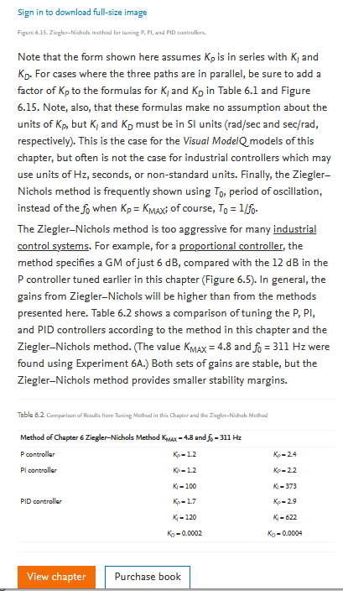
Reference — PID tuning theory (background material, not part of the calculation engine)
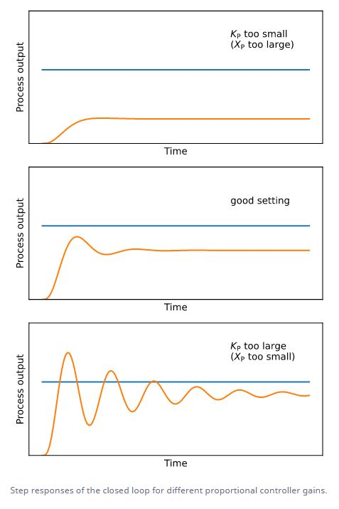
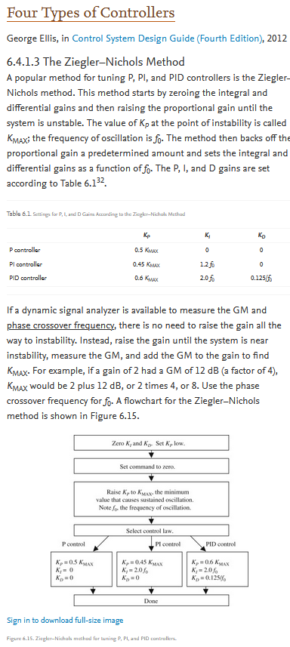
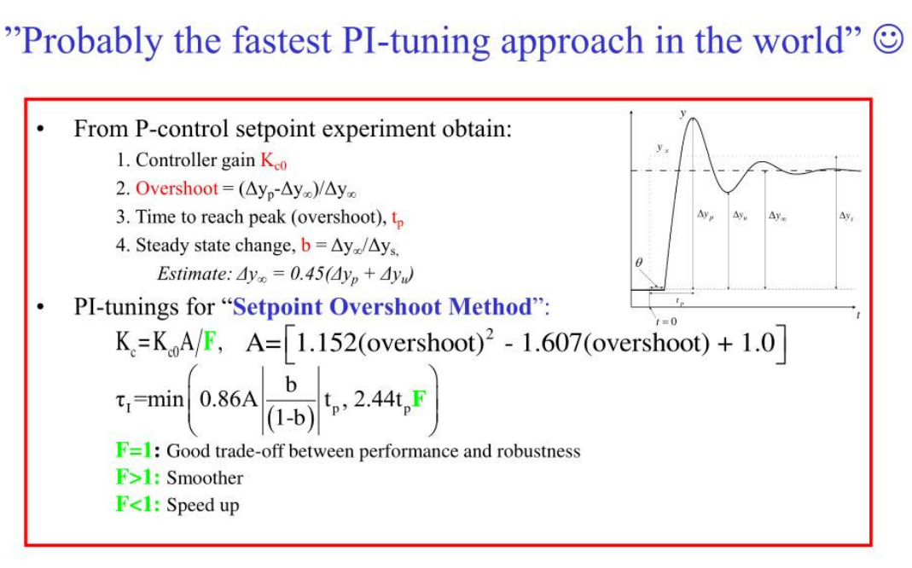
P - influence

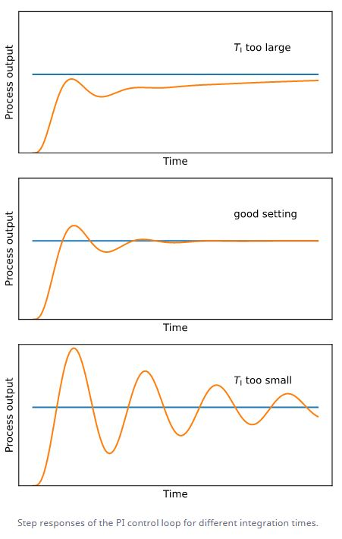
PI - influence

 | KC0 = | 1 | A= | 0.56448 | Kmax=
 | dyp= | 0.3 | F= | 1 | fo=
 | dyn= | 1 | KC= | 0.56448 | KP= | 0.6*Kmax
 | overshoot = | -0.7 | ti= | 5.8254336 | Ki= | 2.0*fo
 | tp= | 8 |  |  | Kd= | 0.125/fo
 | b= | 0.6
 | dyn= | 0.0675

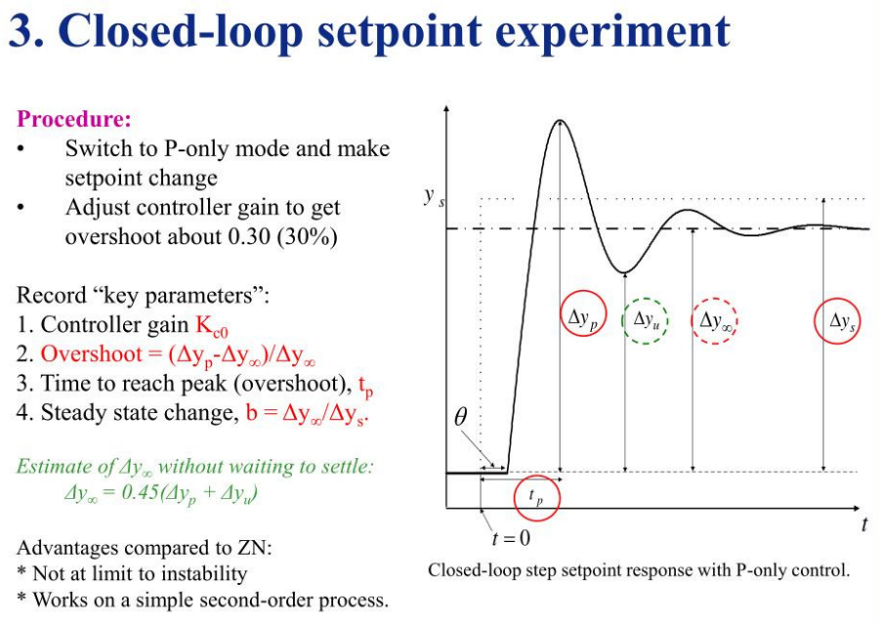

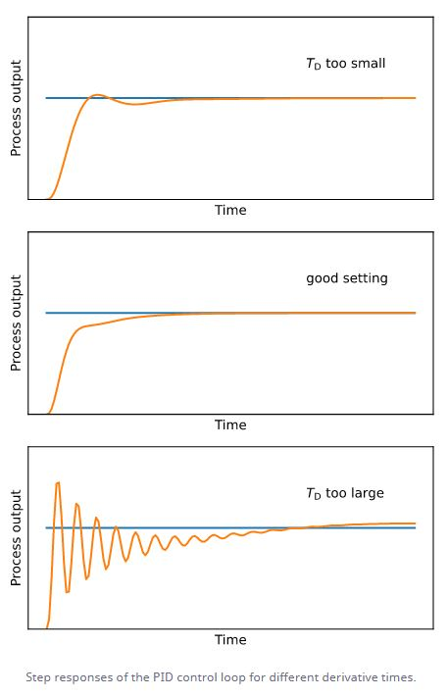
PID - influence

